Iceland Map
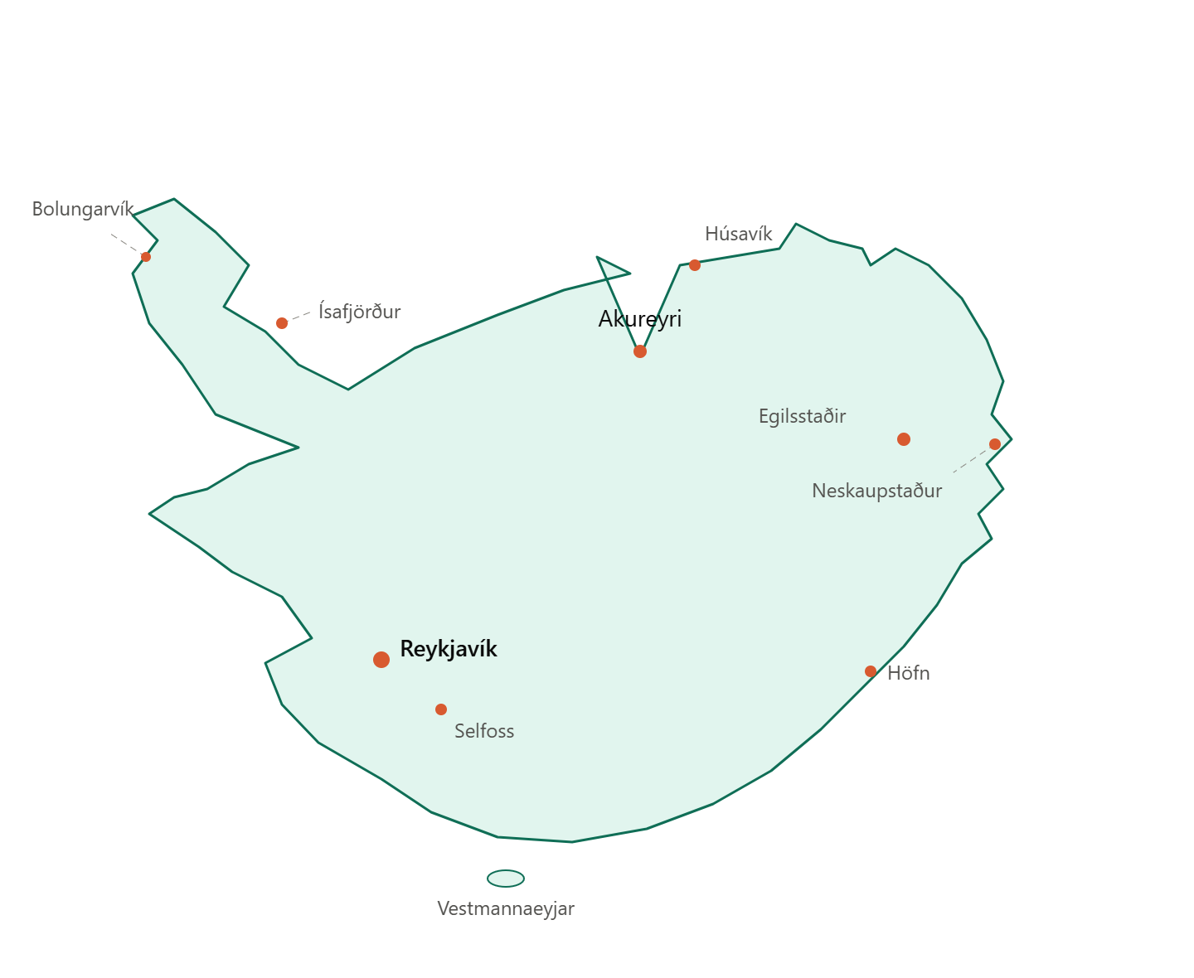
Iceland Weather Stations

